Convert DD Usage to Coralogix
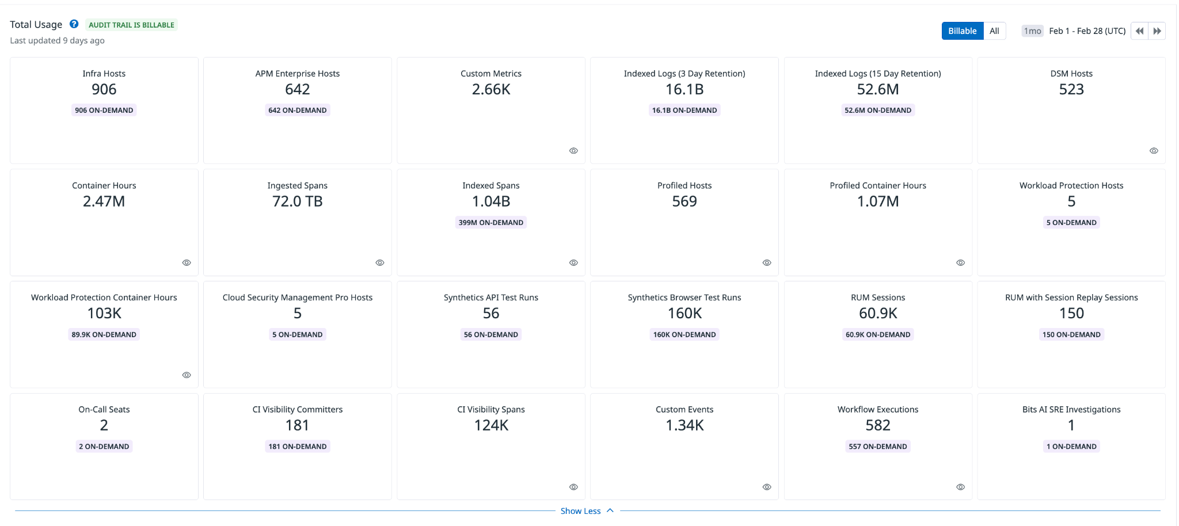
DD Usage |  |  |  |  |  |   |  | 

Infra Hosts | Custom Metrics | Indexed Logs - Live & Rehydrated (Million) | Indexed Logs - 3 Day Retention (Million) | Rum Sessions | Serverless Invocation
906 | 2,690 |  | 20,800 | 2,484 | 0
Ingested Spans (GB) | Indexed Spans (Million) | Ingested Logs (Live & Rehydrated) (GB) | Indexed Logs - 15 Day Retention (Million) | Analyzed Logs - (Security) - 15m retention (GB) | Fargate Tasks
67,000 | 1,740 | 52,000 | 53 | 0
APM Hosts | Profiled Hosts | Containers | Profiled Containers | Custom Events | Serverless Workload Functions
700 | 585 | 4156 | 1,803 | 0
Error Tracking Events | APM Fargate Tasks | Profiled Fargate Tasks
0 | 0 | 0
 |  |  |  |  |  | Convert Hourly
Coralogix Sizing |  |  |  |  |  |  | Hourly | Hosts
 |  |  |  |  |  | Infra Hosts | 891 | 1 | Enter Hourly Infra Hosts
Logs |  |  |  | Logs |  | Containers | 2,720,000 | 4156 | Enter Hourly Containers
Total Ingested Logs | 52,000 | GB/month |  | 76.49% | Current indexed percentage | Profiled Containers | 1,180,000 | 1803 | Enter Hourly Profiled Containers
Avg log size | 2.00 | KB |  | 1733 | Total GB Logs / Day | APM Hosts | 0 | 0 | Enter Hourly APM Hosts
Total Indexed Logs | 20,853,000,000 | Logs/month |  | 867 | GB / Day (FS) / 50% | Profiled Hosts | 0 | 0 | Enter Hourly Profiled Hosts
Total Indexed Logs Size (Bytes) | 42,706,944,000,000 | Bytes/month |  | 693 | GB / Day (Mon) / 40% | Network hosts | 0 | 0 | Enter Hourly Network hosts
Total Indexed Logs Size (GB) | 39773.94 | GB/month |  | 173 | GB/ Day (Comp) / 10% | Custom Metric Hours | 0 | 0 | Enter Hourly Custom Metrics
Total Indexed (GB) | 1325.80 | GB / Day
 |  |  |  | Metrics |  |  | Monthly | Daily
Metrics |  |  |  | 6,115,190 | TS (NumSeries) | Serverless Workload Functions | 0 | 0 | Enter Monthly Serverless Workload Functions
Hosts | 2191 |  |  | 6115 | GB / Day | RUM Sessions | 75,500 | 2,484 | Enter Monthly RUM Sessions
Containers | 5,959 |  |  | 0.000033 | TS to Units | Serverless Invocations | 0 | 0 | Enter Monthly Serverless Invocations
Serverless Workload Functions | 0 | TS (NumSeries)
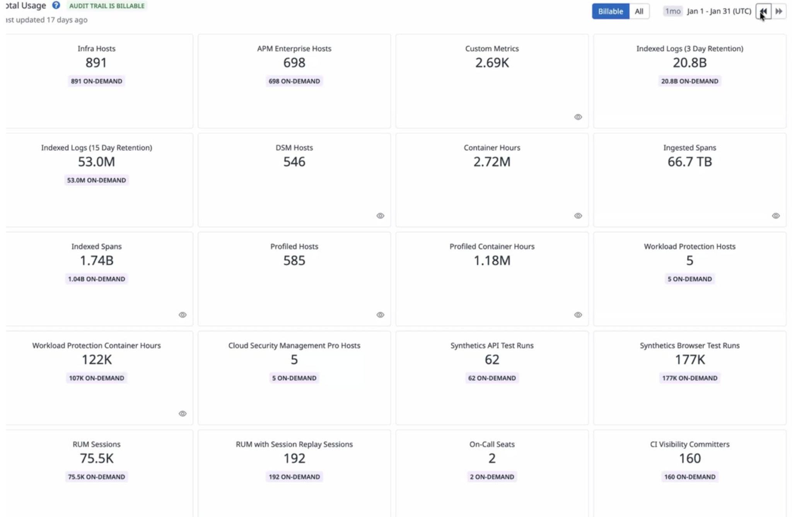
Serverless Invocation | 0 | TS (NumSeries) | 3 metric labels × 10% unique dimensions × daily invocations | 202 | Metrics Units / Day
AVG 750 time series per node | 6,112,500 | TS (NumSeries)
Custom Metrics | 2,690 | TS (NumSeries) |  | Tracing
Promethues Metrics |  | NumSeries |  | 3.72% | Current indexed percentage
 |  |  |  | 2,233 | Total GB / Day (Ingest)
Tracing |  |  |  | 83 | Indexed Tracing GB/Day
Avg span size | 2 | KB |  | 2150 | GB Traces Archive
Ingested spans | 67,000 | GB/Month |  | 83 | GB Traces Indexed
Indexed spans | 2,489 | GB/Month
Daily Ingested spans (Bytes) | 2,233 | GB/Month |  | Totals
 |  |  |  | Logs (GB) | 1,733
 |  |  |  | Metrics (NS) | 6,115,190
 |  |  |  | Tracing (GB) | 2,233
 |  |  |  | RUM Sessions | 2,484
 |  |  |  | RUM Errors | 0

 |  |  |  | Apply this information to the TCO Calculator

